Positive Tests
CARA

Manual Test Script (Out of Office Functionality)
Different Ways to Delegate a user task to other recipients when the user of a task is not available or out of office

Pre-Conditions
(1) Authorized user should have access to the system and ability to delegate a task to another CARA user.
(2) Existing tasks are not delegated.
(3) Tasks may be delegated in issued state.
(4) List of users should exist whom to specify a task.
(5) Delegating a task is not possible to a user who is marked as out of office in CARA.

Step | Screens | Test Step | Expected Result | Result
Step 1 | 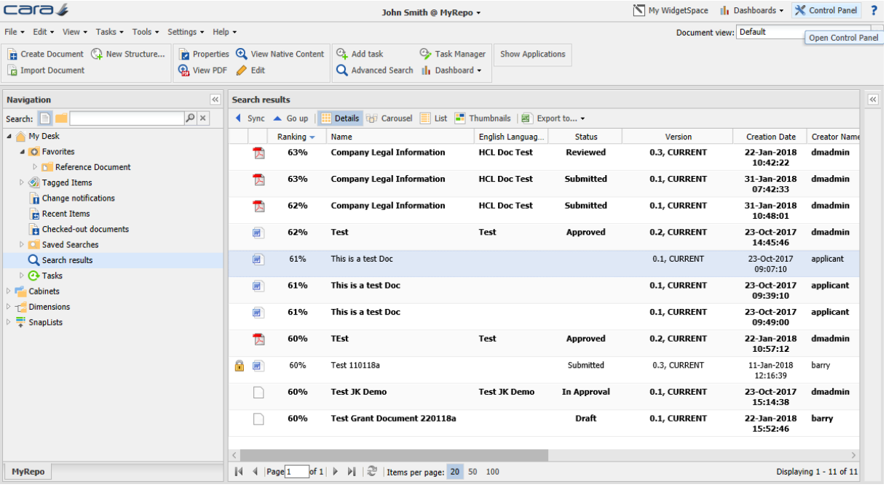 | An authorized user logs into the system. | The login is successful. The main system screen is opened.
Step 2 | 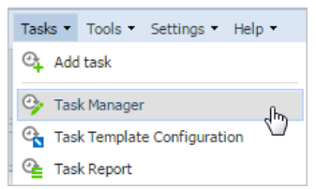 | User selects and clicks on the Task Manager from Tasks menu. | Task Manager window is displayed.
Step 3 |  | In the Task Manager Window user selects a task with Planned status and clicks on Delegate button. | Task Manager window with all the information such as Task, Type, Status, Target start, Target finish, Issued is displayed.
Step 4 | 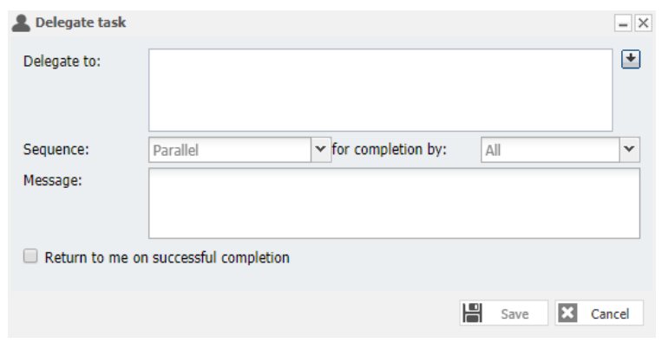 | User clicks on down-arrow next to Delegate to field. | Specify task recipients window is displayed.
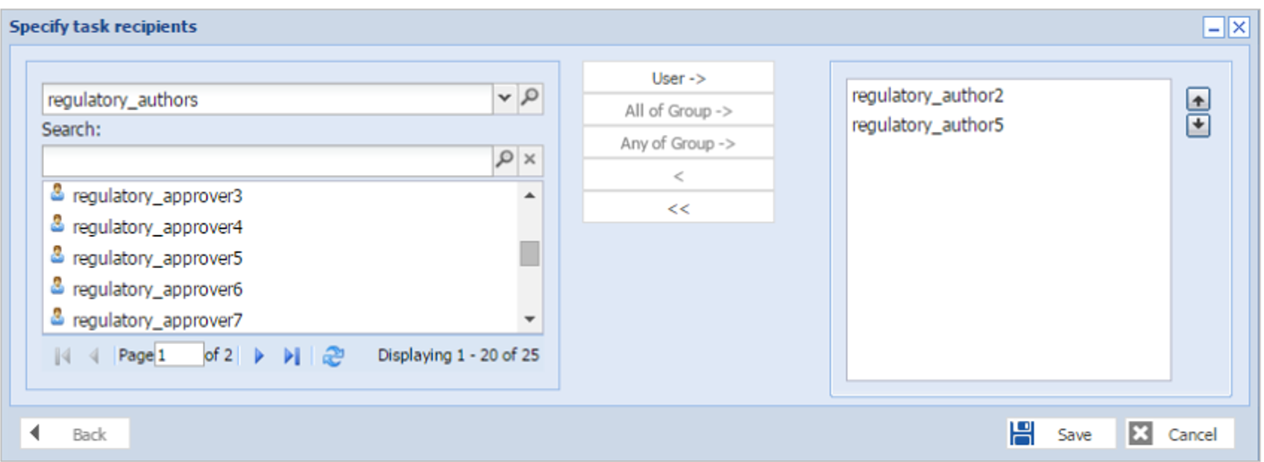 Step 5 |  | Specify task recipients window is displayed with required fields. | Specify task recipients window should have Search field, User->, and panel on right hand with up / down arrows next to it.
Step 6 | 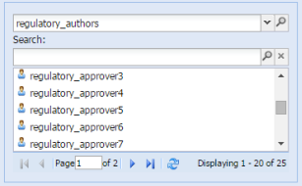 | User enters part of recipient’s username in the search field and press enter. The list of users to choose from can be narrowed by selecting a group in the top field. | Search results are displayed with matched recipients username.
Step 7 | 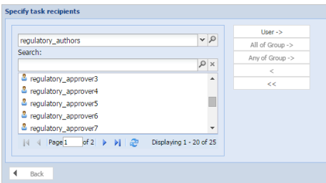 | User double clicks a recipient username or clicks User-> to add them as a task recipient in the right hand panel. | Recipients selected from searched results are added to the panel on the right hand.
Step 8 | 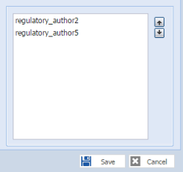 | Task recipients are added to the right hand panel. | Recipients names added from the search results are displayed on the panel on the right hand.
Step 9 | 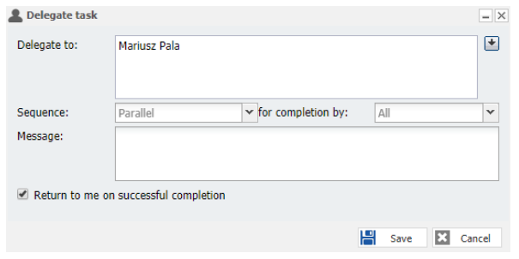 | After clicking save on Specify task recipients a Delegate task properties window should open with selected users added to the Delegate to field. | Delegate task window displays Delegate to field, Sequence drop-down, for completion by drop-down, Return to me on successful completion checkbox and Message field.
Step 10 |  | User clicks multiple recipients (individual or groups) the sequence drop-down list may be used to make the task Parallel (Sent to all recipients simultaneously) or Sequence (Sent to one recipient or group after the other in the order listed on the task). Some tasks have preconfigured Sequence options and so no choice is required. | Options from the sequence drop-down list are displayed for Parallel and Sequence.
Step 11 |  | User clicks for an additional decision that may be required for Parallel Sequence tasks, Should the tasks be completed by All recipients or Any one recipient? Make the appropriate selection, if available from the for completion by drop-down list. | Options from for completion by drop-down menu are displayed.
Step 12 |  | User set sequence to Parallel completion by All, additionally specify whether the workflow ends with the first rejection (if not then the workflow ends after the last recipient completes). | Options are set for sequence and for completion by from the drop-down.
Step 13 |  | User add a message for the task recipients if appropriate, which will be added to the notification email. | Message is sent in the notification email.
Step 14 |  | User check the Return to me on successful completion checkbox. | The completed task returned before the workflow resumes and clicks save.
Step 15 | 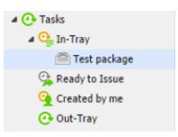 | The task is moved to the In-tray of the new recipient. | Task is visible in In-Tray of the new recipient.
Step 16 |  | User clicks on Out of Office from the settings menu. | Out of office settings option is displayed from the settings menu.
Step 17 | 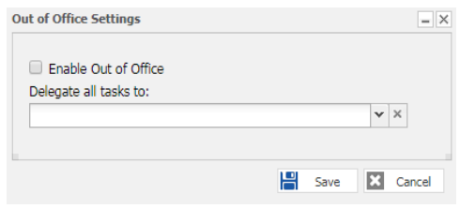 | Out of Office Settings window opens | Enable out of Office checkbox and Delegate all tasks to drop-down field is displayed.
Step 18 |  | User check the checkbox to Enable Out of Office. | User marked as Out of Office. | 
Step 19 |  | User types part of a recipient’s username in the Delegate all tasks to field and select the user who tasks should be delegated to from the drop-down list. | Recipients username are displayed from search.
Step 20 |  | User clicks on save button on out of office window. | User Out of Office settings are saved.
Step 21 | 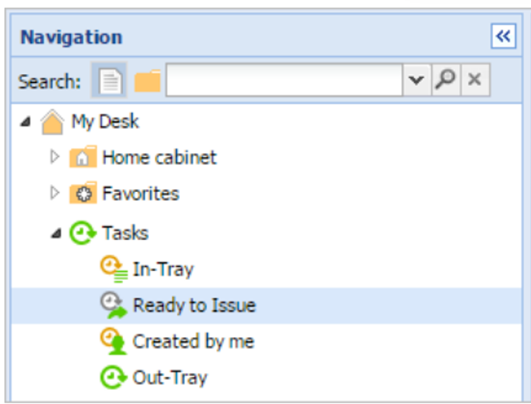 | User clicks and expand Tasks node under navigation panel and clicks Ready to Issue.
Step 22 | 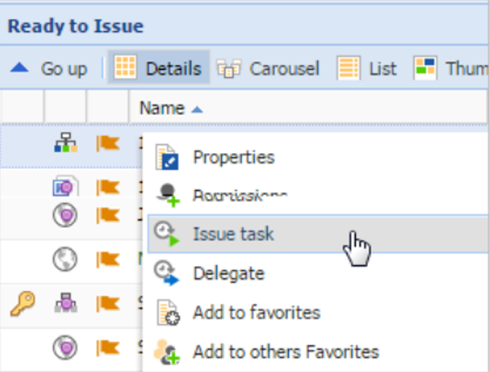 | In Ready to Issue panel user highlights a document and right click on the document to open the menu.
Step 23 |  | User clicks on Delegate option from the right click menu.
Step 24 |  | User clicks on down-arrow next to Delegate to field. | Specify task recipients window is displayed.

